MM.01_TC.01
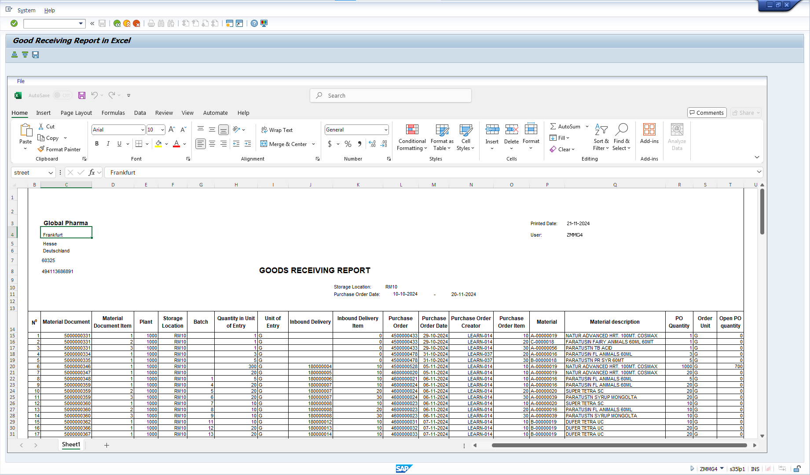
back | 2 |  | 5 | 17 | 30 | 41 | 50 | 59 | 68 | 74 | 80 | 82
 | NO. |  | Testcase | Input | Execution | Predicted Test Results | Actual Test Result | Bug Description | Test Results |  |  | Remarks
 |  |  |  |  |  |  |  |  | Tester | Test Date | Result
 | MM.R01_TC.01 |  | Check printing the Goods Received (GR) report on the SAP system. | - Tcode: ZMMR01 - Mandatory: Storage Location, Purchasing Document - Optional: Plant, Material, Delivery Number, Posting Date, Purchasing document. | The user enters Tcode ZMMR01 and uses the type field to search and open the GR report | The GR report displays the correct information query from table in abap dictionary |  |  | Hoang Xuan Thinh | 20.11.2024 | O | ghi chú nếu có

 | Step 1: | Tcode: ZMMR01

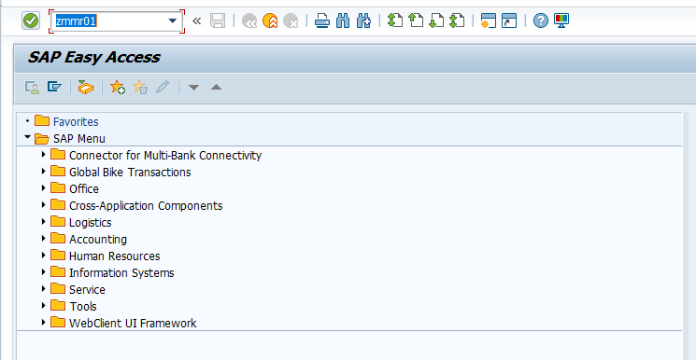

 | Step 2: | User enters the type field to search
 |  | Mandatory: Storage Location, Purchasing Document

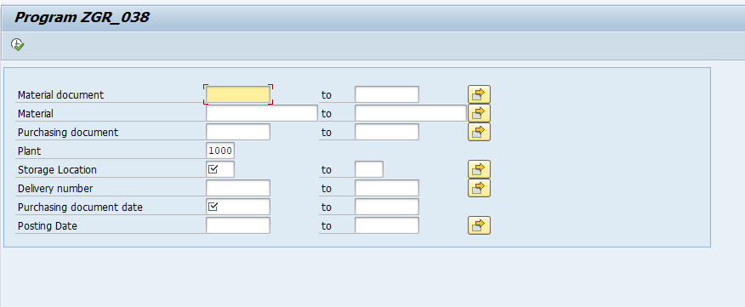

 | Step 3: | Generate Goods Receiving Report

MM.01_TC.02
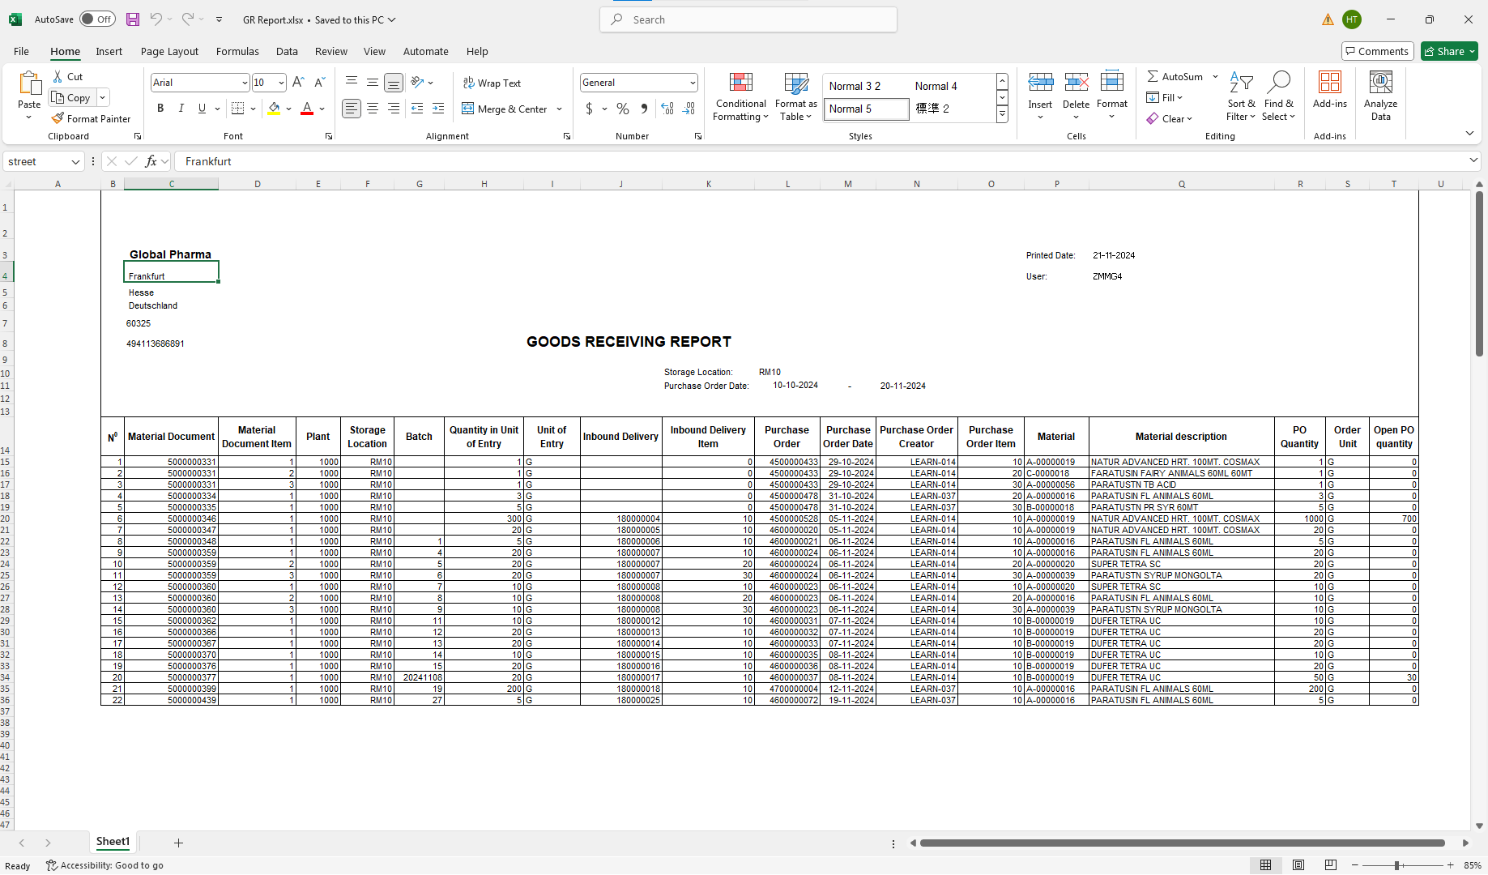
back | 2 |  | 5 | 17 | 30 | 41 | 50 | 59 | 68 | 74 | 80 | 82
 | NO. |  | Testcase | Input | Execution | Predicted Test Results | Actual Test Result | Bug Description | Test Results |  |  | Remarks
 |  |  |  |  |  |  |  |  | Tester | Test Date | Result
 | MM.R01_TC.02 |  | Downloading the Goods Received (GR) report in Excel format | - Tcode: ZMMR01 - Mandatory: Material document - Optional: Plant, Storage Location, Material, Delivery Number, Posting Date, Purchasing document, Purchasing Date | 1. Enter Tcode ZMMR01 2. Fill in PO number, Material number, Plant, Batch, and other required fields 3. Generate the Goods Received (GR) report 4. Click the Export to Excel button to download the report in Excel format (Edit file download path) | The report is successfully downloaded in download path with Excel format | Hoang Xuan Thinh | 0 | Hoang Xuan Thinh | 20.11.2024 | O | ghi chú nếu có

 | Step 1: | Downloading the Goods Received (GR) report in Excel format
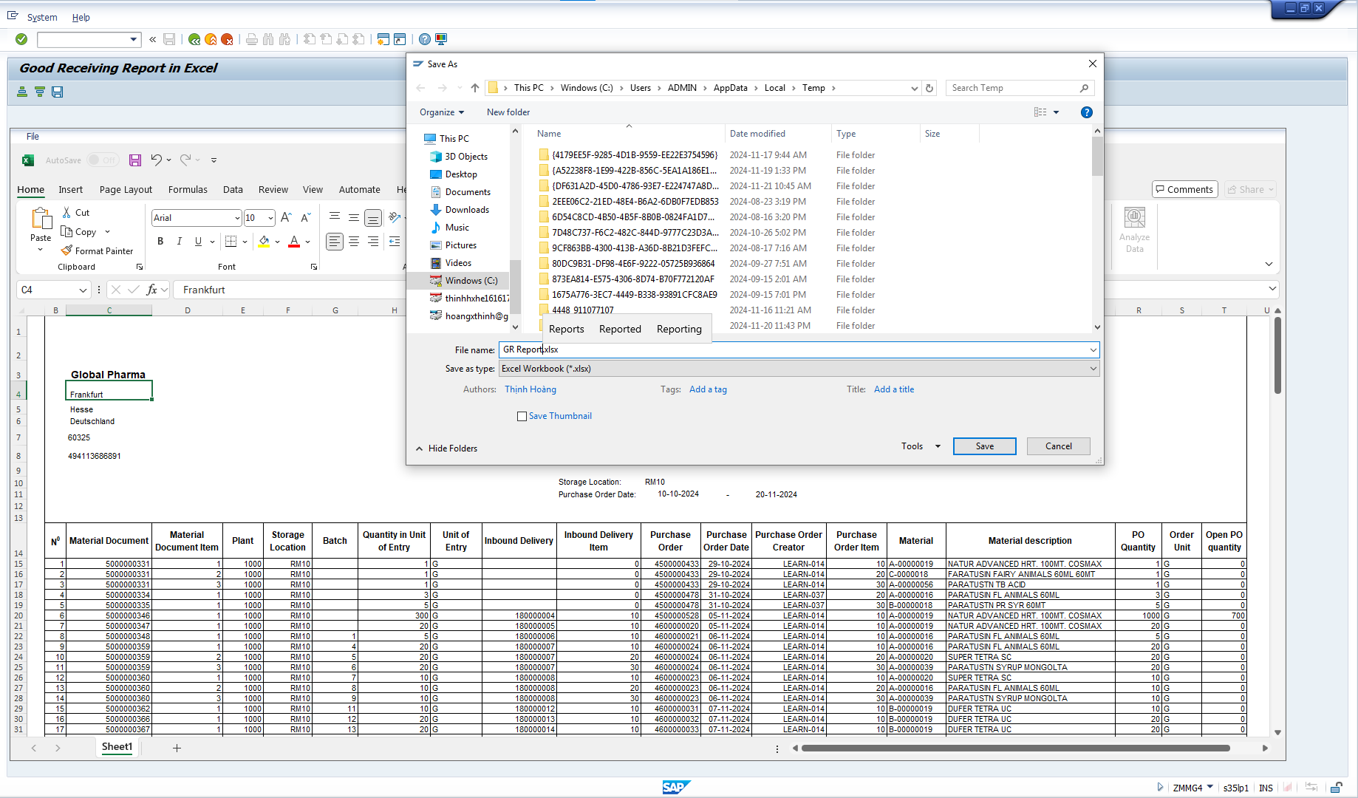

 | Result:

MM.01_TC.03
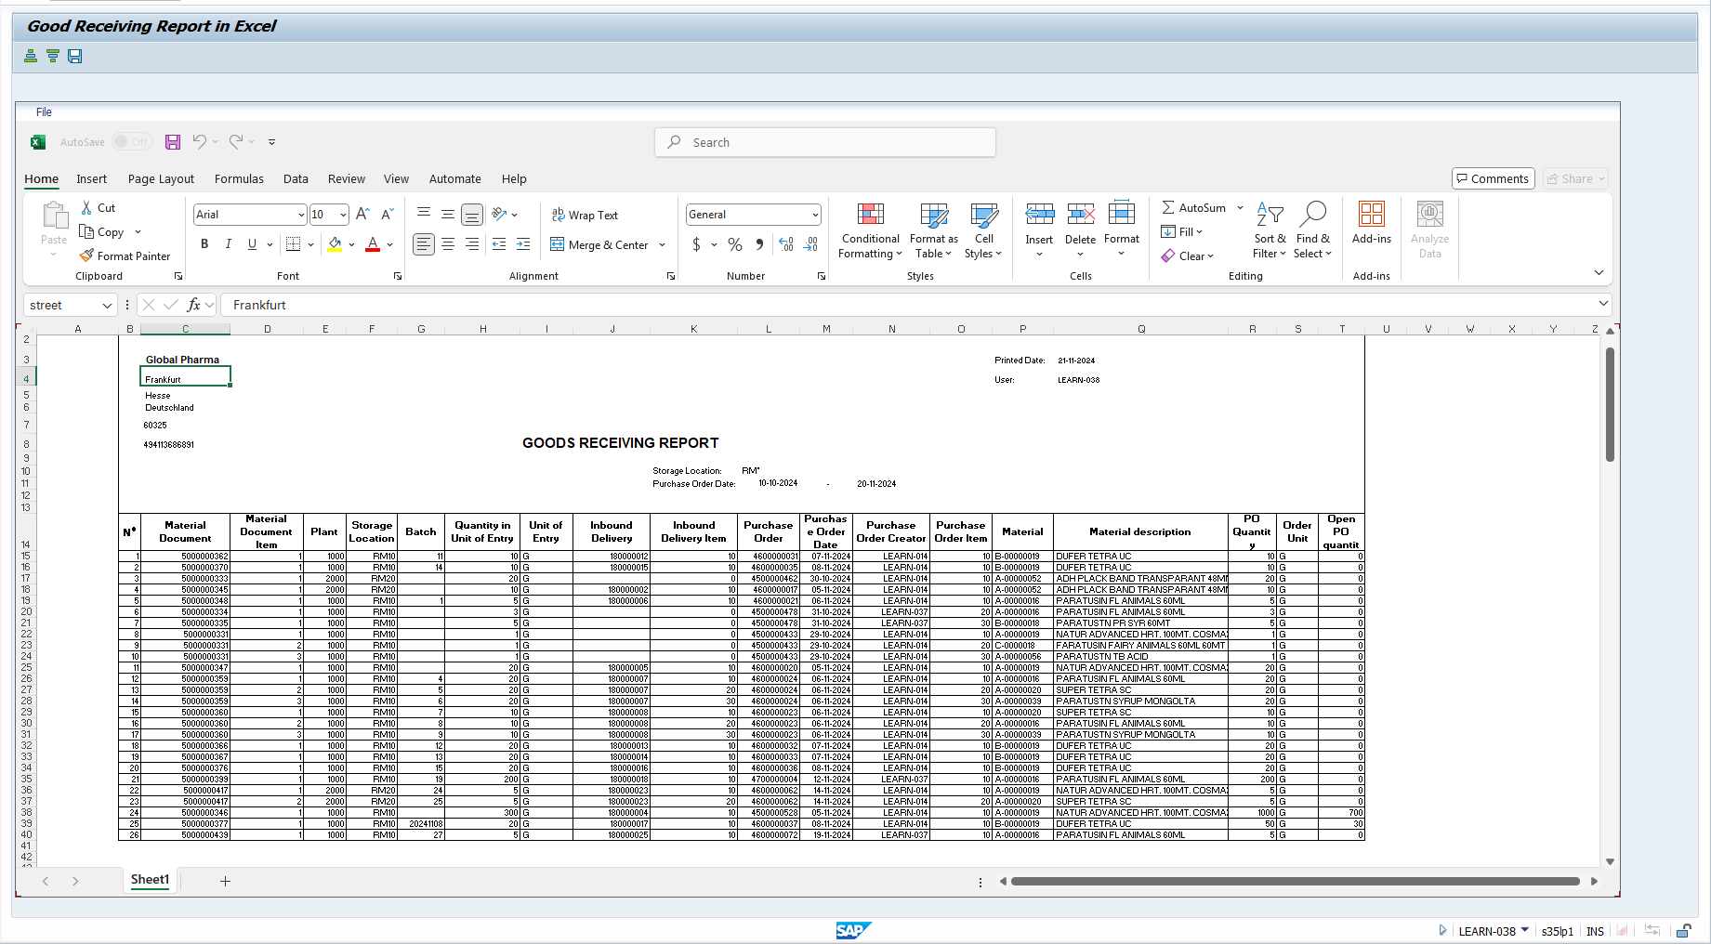
back | 2 |  | 5 | 17 | 30 | 41 | 50 | 59 | 68 | 74 | 80 | 82
 | NO. |  | Testcase | Input | Execution | Predicted Test Results | Actual Test Result | Bug Description | Test Results |  |  | Remarks
 |  |  |  |  |  |  |  |  | Tester | Test Date | Result
 | MM.R01_TC.03 |  | Check printing the GR report for the Plant the user is authorized | - Tcode: ZMMR01 - User ID belonging to Plant A - Mandatory: Material document - Optional: Plant, Storage Location, Material, Delivery Number, Posting Date, Purchasing document, Purchasing Date | 1. Log in to SAP using a user account that is authorized for Plant A 2. Enter Tcode ZMMR01 3. Fill in PO number, Material number, Plant A, Batch, and other required fields 3. Execute the Goods Received (GR) with plant A search report printer 4. Verify if the report is successfully generated and that only data relevant to Plant A is displayed | The user can only view the report for each plant belonging. | Hoang Xuan Thinh | 0 | Hoang Xuan Thinh | 20.11.2024 | O | ghi chú nếu có

 | Step 1: | Tcode: ZMMR01
 | Case 1: User ZMMG4 belong plant 1000 only display plant 1000
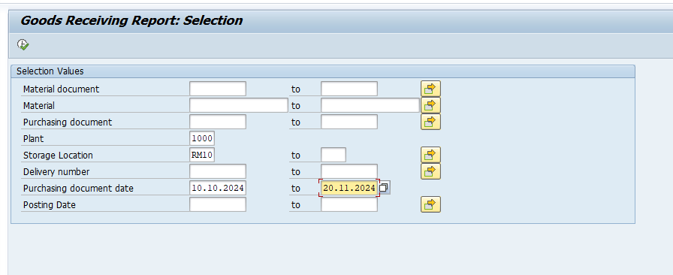

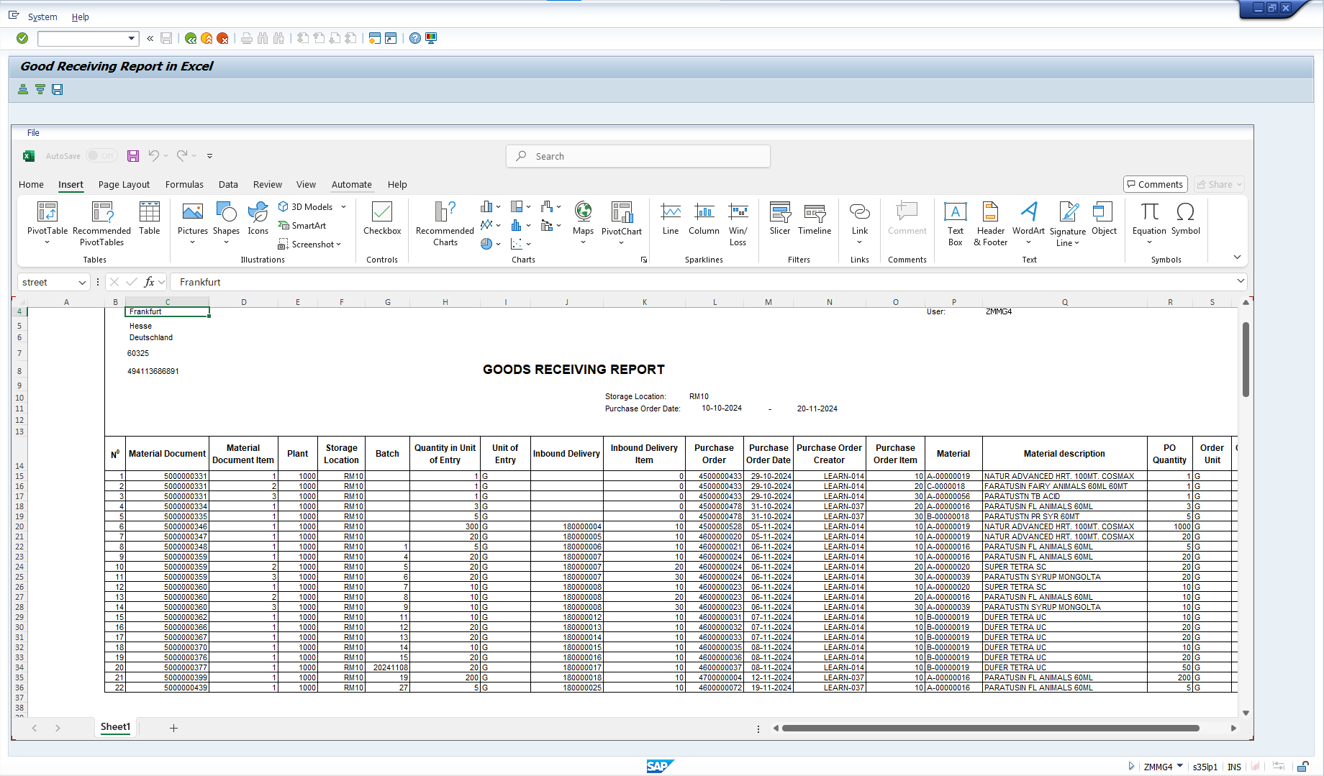

 | When enter plant 2000, check blocking access to reports of other plants authorize
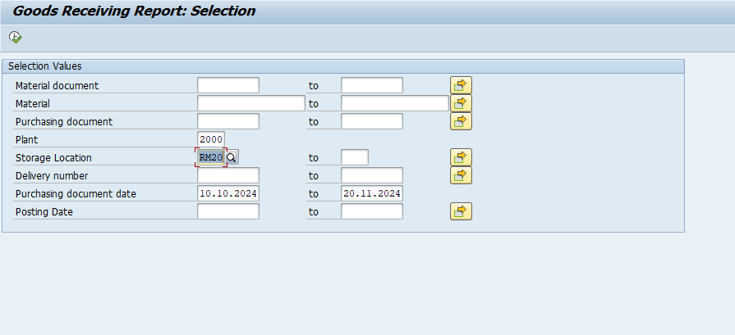



 | Case 2: User LEARN-038 also include both plant 1000 and plant 2000, user can see any plant in system

MM.01_TC.05
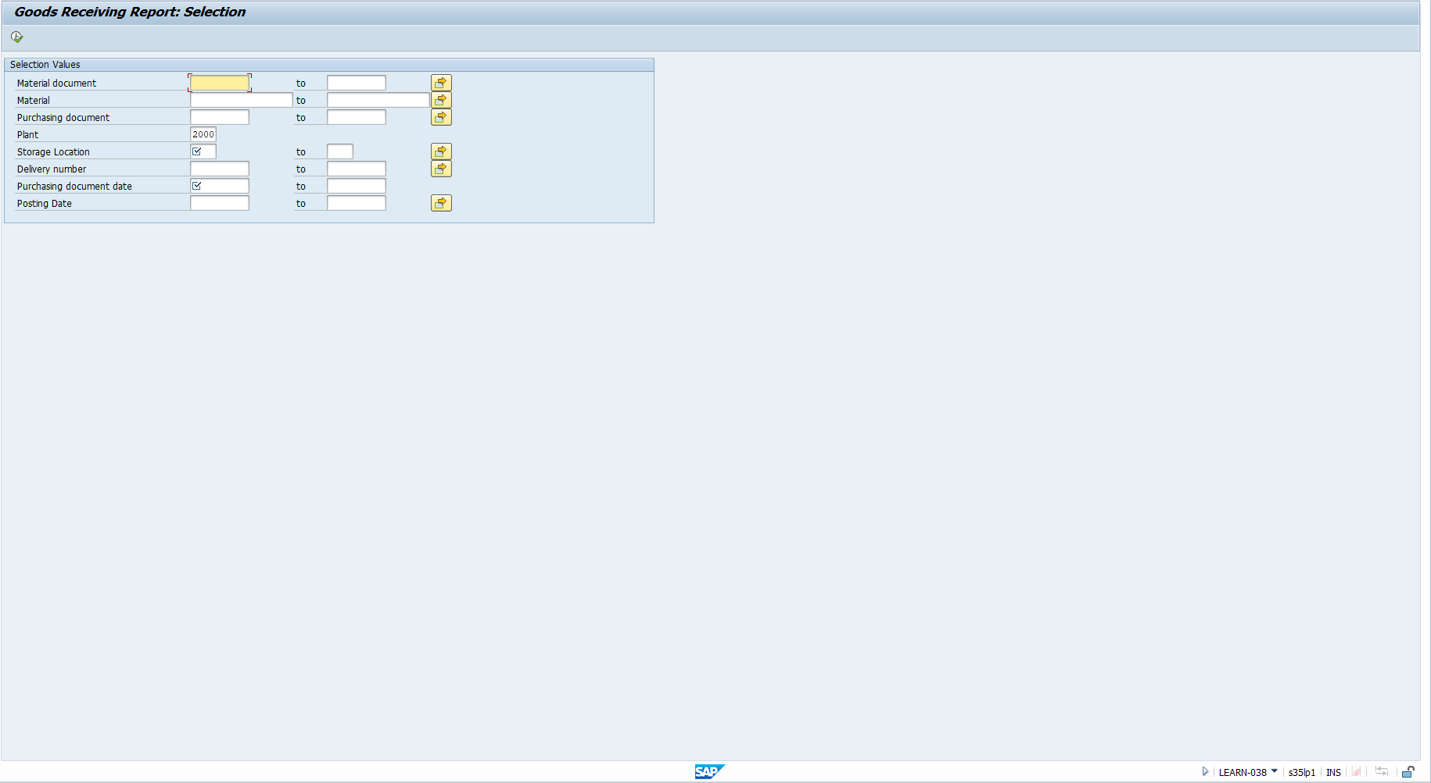
back | 2 |  | 5 | 17 | 30 | 41 | 50 |  | 59 |  |  | 68 |  | 74 |  | 80 | 82
 | NO. |  | Testcase | Input | Execution | Predicted Test Results | Actual Test Result |  | Bug Description |  |  | Test Results |  |  |  |  | Remarks
 |  |  |  |  |  |  |  |  |  |  |  | Tester |  | Test Date |  | Result
 | MM.R01_TC.05 |  | Check the system automatically suggests the correct report for the Plant the user is authorized | - Tcode: ZMMR01 - User ID belonging to Plant A - Mandatory: Material document - Optional: Plant, Storage Location, Material, Delivery Number, Posting Date, Purchasing document, Purchasing Date | 1. Log in to SAP using a user account that is authorized for Plant A 2. Enter Tcode ZMMR01 3. In the selection screen, check if the system automatically fills or suggests the details for Plant A. 4. Generate the report for Plant A by clicking Execute. 5. Verify that the system correctly suggests the report for Plant A and that only data for Plant A is displayed. | The system automatically suggests the correct report for Plant belonging | Hoang Xuan Thinh | 25.11.2024 |  | O | Hoang Xuan Thinh |  | 30.11.2024 |  | O

 | Step 1: | Tcode: ZMMR01
 | Case 1: User belong to plant 1000 auto suggust plant 1000 when start selection screen.



 | Case 2: User belong to plant 2000 auto suggust plant 2000 when start selection screen.

MM.01_TC.06
back | 2 |  | 5 | 17 | 30 | 41 | 50 | 59 | 68 | 74 | 80 | 82
 | NO. |  | Testcase | Input | Execution | Predicted Test Results | Actual Test Result | Bug Description | Test Results |  |  | Remarks
 |  |  |  |  |  |  |  |  | Tester | Test Date | Result
 | MM.R01_TC.06 |  | Test the report when a valid PO number is entered | - Tcode: ZMMR01 - Mandatory: Material document - Optional: Plant, Storage Location, Material, Delivery Number, Posting Date, Purchasing document, Purchasing Date, PO number. | 1.The user enters the Tcode and provided information on the selection screen and clicks execute. | The report displays the correct information for the received goods (100 EA) as per the provided PO number, including the material number, plant, and batch. | Hoang Xuan Thinh | 0 | Người thực hiện | Ngày thực hiện | - | ghi chú nếu có

 | Step 1: | Tcode: ZMMR01
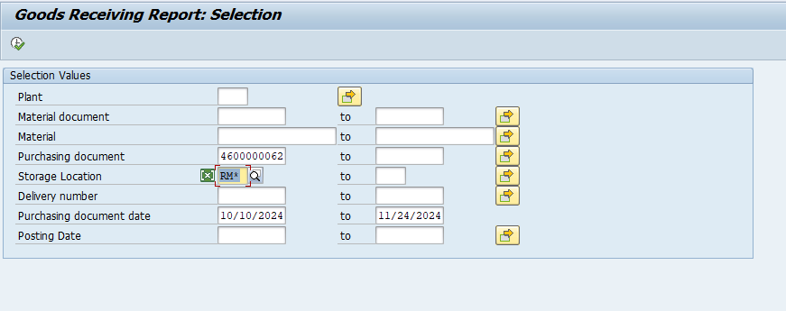
 |  |  | Tcode
 |  |  | Cách thực hiện
 |  |  | Hình ảnh thực hiện trên hệ thống

MM.01_TC.07
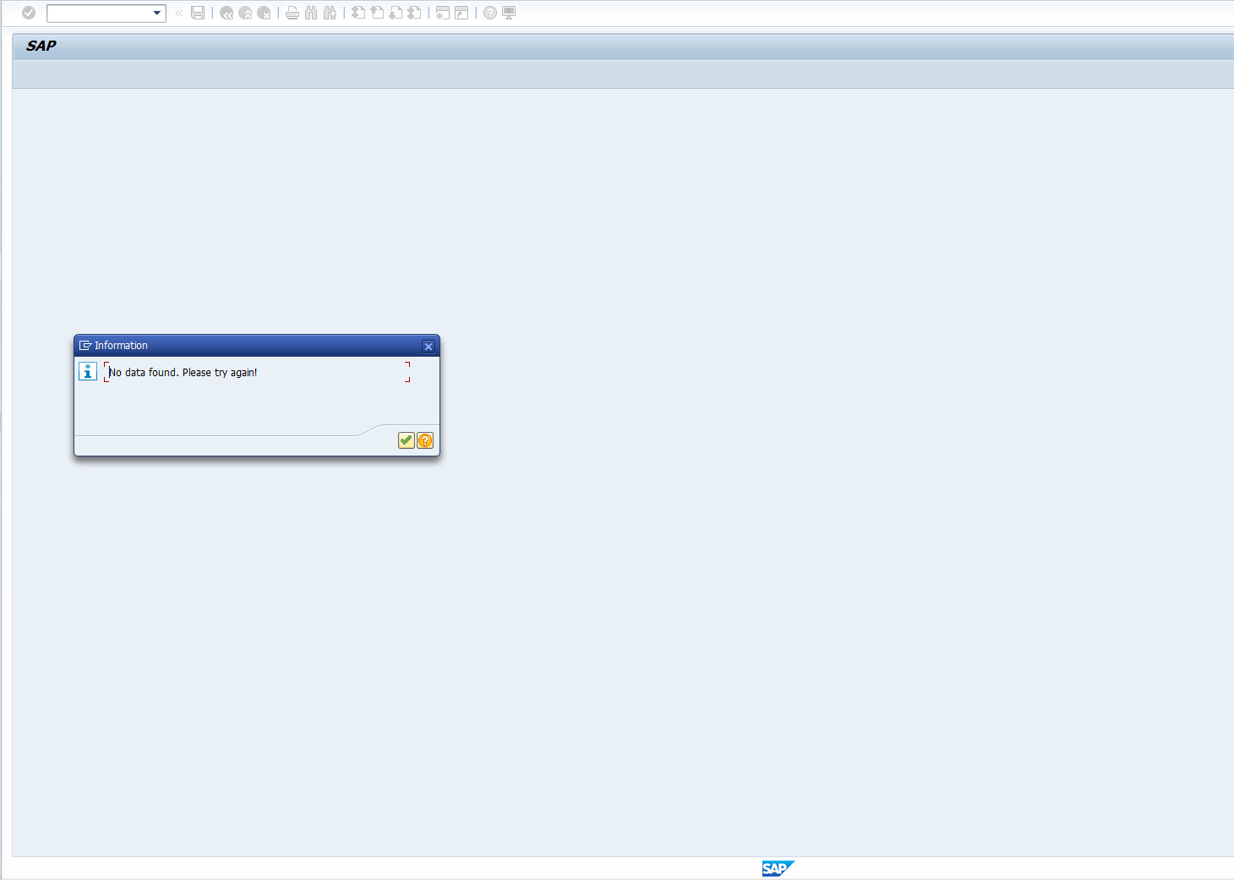
back | 2 |  | 5 | 17 | 30 | 41 | 50 |  | 59 |  |  | 68 |  | 74 |  | 80 | 82
 | NO. |  | Testcase | Input | Execution | Predicted Test Results | Actual Test Result |  | Bug Description |  |  | Test Results |  |  |  |  | Remarks
 |  |  |  |  |  |  |  |  |  |  |  | Tester |  | Test Date |  | Result
 | MM.R01_TC.07 |  | Test with an invalid or non-existent PO number | - Tcode: ZMMR01 - Mandatory: Material document - Optional: Plant, Storage Location, Material, Delivery Number, Posting Date, Purchasing document, Purchasing Date, PO number (Invalid) | 1.The user enters Tcode ZMMR01 and invalid PO information, then presses execute. | The system displays an error message "PO does not exist" and does not generate a report. | Hoang Xuan Thinh | 28.11.2024 |  | O | Hoang Xuan Thinh |  | 30.11.2024 |  | O

 | Step 1: | Tcode: ZMMR01
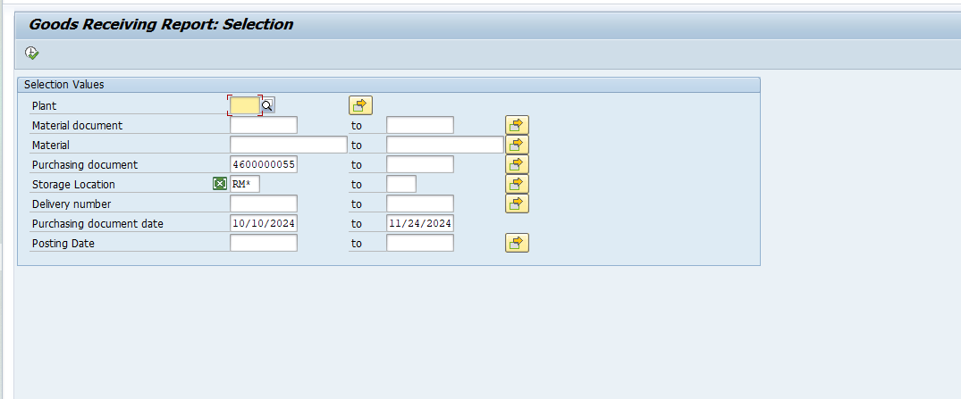
 |  |  | Tcode
 |  |  | Cách thực hiện
 |  |  | Hình ảnh thực hiện trên hệ thống

MM.R01_TC.UI.02
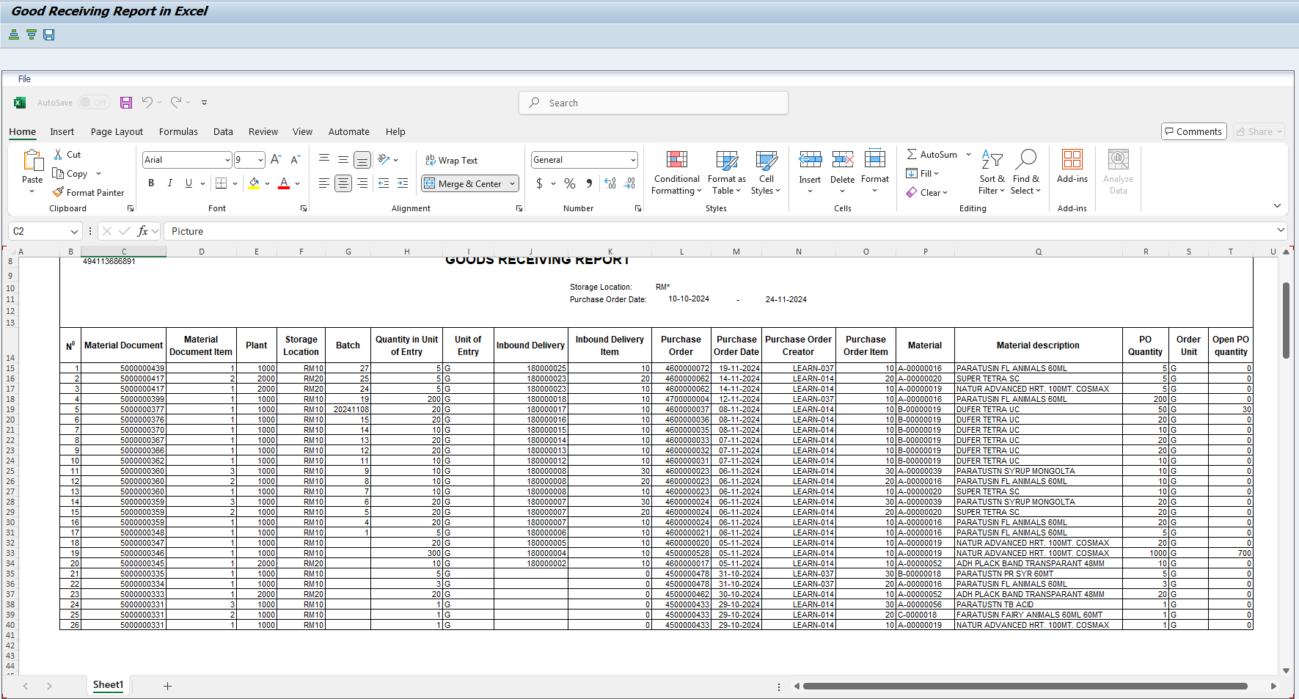
back | 2 |  | 5 | 17 | 30 | 41 | 50 |  | 59 |  |  | 68 |  | 74 |  | 80 | 82
 | NO. |  | Testcase | Input | Execution | Predicted Test Results | Actual Test Result |  | Bug Description |  |  | Test Results |  |  |  |  | Remarks
 |  |  |  |  |  |  |  |  |  |  |  | Tester |  | Test Date |  | Result
 | MM.R01_TC.UI.02 |  | Validate sorting in Excel | - Tcode: ZMMR01 - Mandatory: Material document - Optional: Plant, Storage Location, Material, Delivery Number, Posting Date, Purchasing document, Purchasing Date, PO number (Invalid) | 1. Run the report and open the Excel file. 2. Sort by a column (e.g. Material Document). | Data is sorted in ascending/descending order. | Hoang Xuan Thinh | 20.11.2024 |  | O | Hoang Xuan Thinh |  | 30.11.2024 |  | O

 | Step 1: | Tcode: ZMMR01

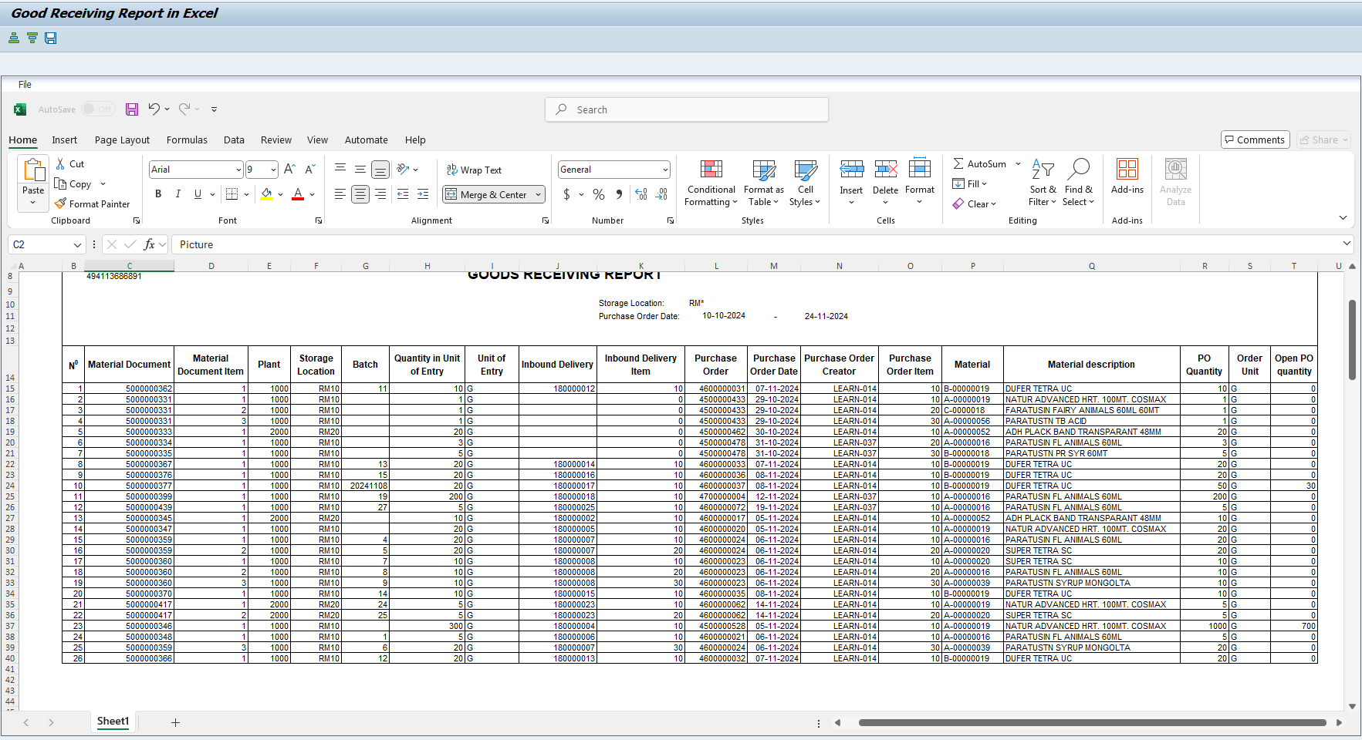
 |  |  | Cách thực hiện
 |  |  | Hình ảnh thực hiện trên hệ thống

 | Sort ASC
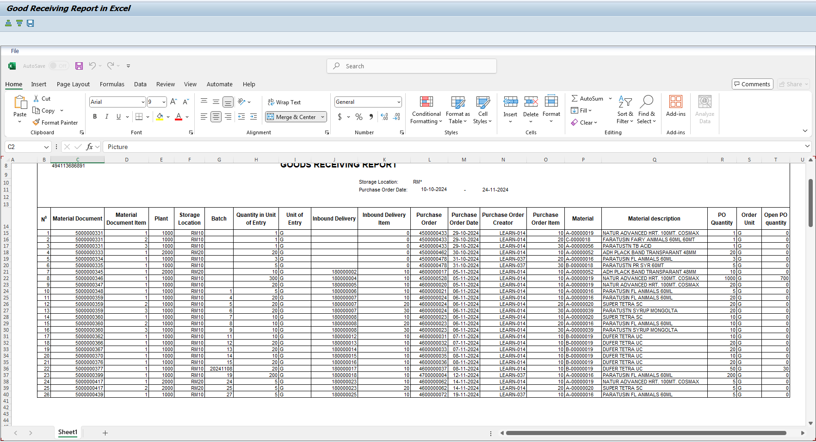

 | Sort DES

